Over all graph
 | SaturationValue
-3% | 0
-8% | 1
18% | 2
10% | 2
-5% | 0
-7% | 1
18% | 4
6% | 1
-18% | 0
17% | 1
23% | 0
-15% | 0
-27% | 0
8% | 0
-10% | 0
18% | 1
11% | 1
21% | 2
-5% | 1
-38% | 2
10% | 1
-4% | 0
22% | 2
-10% | 0
-13% | 0
5% | 0
15% | 1
19% | 1
2% | 0
16% | 1
-18% | 1
10% | 1
-14% | 1
17% | 0
-8% | 0
-18% | 0
20% | 1
12% | 0
18% | 3
-5% | 0
-14% | 0
-23% | 1
-25% | 0
14% | 0
-31% | 1
20% | 2
-48% | 3
22% | 0
-4% | 0
17% | 1
...
Accuracy
 | Accuracy
31.48605 | -3%
14.56856 | -8%
63.45842 | 18%
17.5066 | 10%
29.33665 | -5%
13.10786 | -7%
62.27055 | 18%
12.15594 | 6%
30.15706 | -18%
63.49961 | 17%
53.58926 | 23%
13.53153 | -15%
30.52052 | -27%
29.8126 | 8%
11.06404 | -10%
13.10786 | 18%
13.59107 | 11%
8.21801 | 21%
14.84447 | -5%
18.05374 | -38%
9.4816 | 10%
14.84447 | -4%
5.78112 | 22%
10.7041 | -10%
11.13488 | -13%
10.63094 | 5%
9.71975 | 15%
9.15695 | 19%
7.49739 | 2%
5.69079 | 16%
13.29094 | -18%
0.36132 | 10%
16.20544 | -14%
9.87611 | 17%
16.05424 | -8%
11.34524 | -18%
4.06485 | 20%
13.41173 | 12%
55.49217 | 18%
13.35146 | -5%
13.59107 | -14%
18.97101 | -23%
7.94904 | -25%
10.10716 | 14%
14.45679 | -31%
12.73465 | 20%
18.84291 | -48%
32.54666 | 22%
9.07447 | -4%
9.2389 | 17%
...

Color Region
 | Region
-3% | 2
-8% | 1
18% | 4
10% | 5
-5% | 4
-7% | 6
18% | 2
6% | 3
-18% | 3
17% | 1
23% | 4
-15% | 6
-27% | 6
8% | 6
-10% | 1
18% | 6
11% | 3
21% | 5
-5% | 1
-38% | 5
10% | 5
-4% | 3
22% | 6
-10% | 1
-13% | 6
5% | 6
15% | 4
19% | 6
2% | 3
16% | 4
-18% | 5
10% | 5
-14% | 6
17% | 5
-8% | 1
-18% | 6
20% | 5
12% | 3
18% | 6
-5% | 6
-14% | 6
-23% | 5
-25% | 6
14% | 6
-31% | 5
20% | 4
-48% | 5
22% | 2
-4% | 3
17% | 6
...

 | SaturationValue
-2% | 0
-4% | 1
19% | 2
9% | 2
-4% | 0
-12% | 1
17% | 4
9% | 1
-18% | 0
17% | 1
23% | 0
-17% | 0
-24% | 0
4% | 0
-13% | 0
17% | 1
7% | 1
30% | 2
15% | 1
-33% | 2
24% | 1
-12% | 0
28% | 2
-13% | 0
-25% | 0
25% | 0
28% | 1
26% | 1
-1% | 0
38% | 1
-27% | 1
36% | 1
-1% | 1
22% | 0
3% | 0
-29% | 0
38% | 1
-8% | 0
16% | 3
-18% | 0
-24% | 0
-23% | 1
-44% | 0
20% | 0
-34% | 1
28% | 2
-44% | 3
21% | 0
23% | 0
31% | 1
...

saturation regions
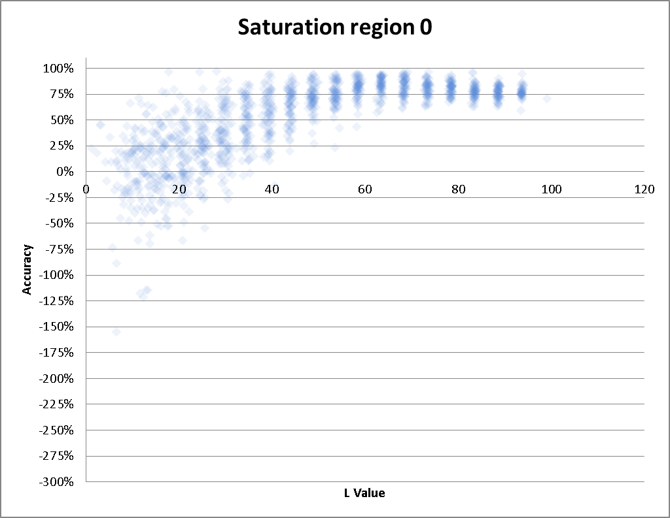
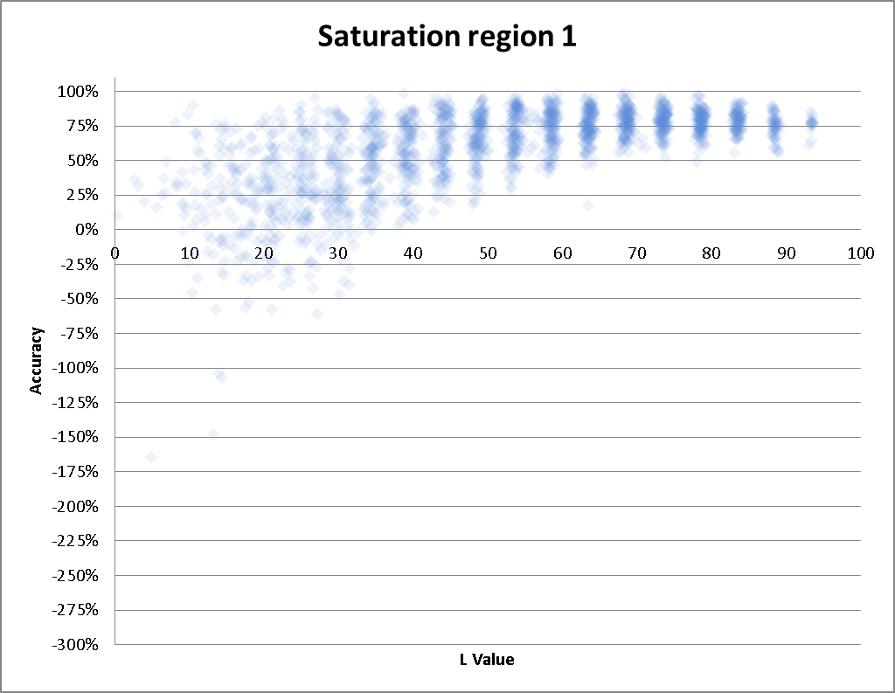

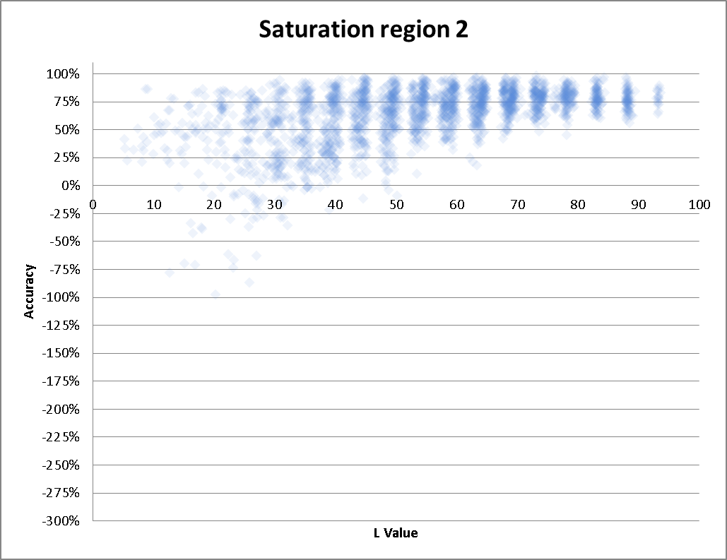
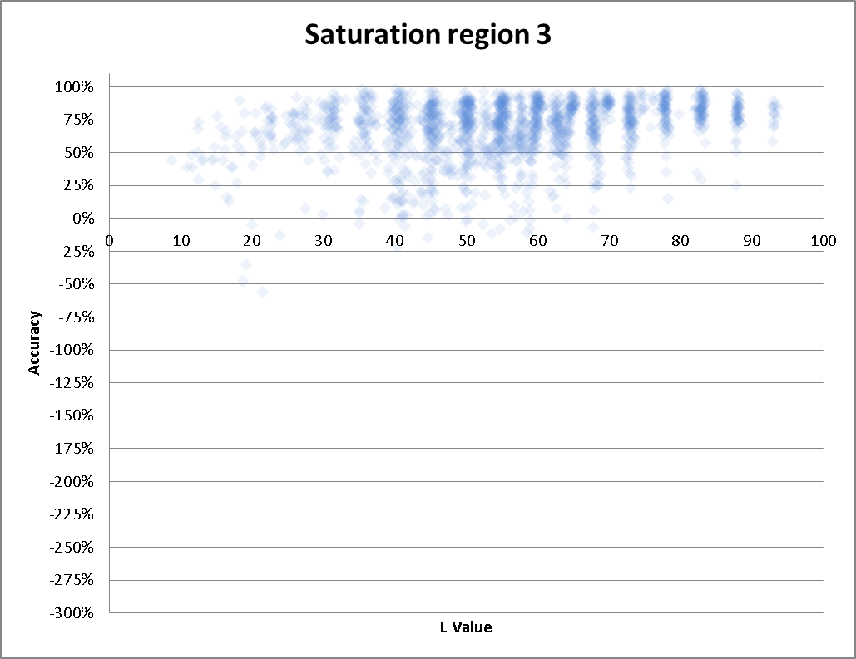

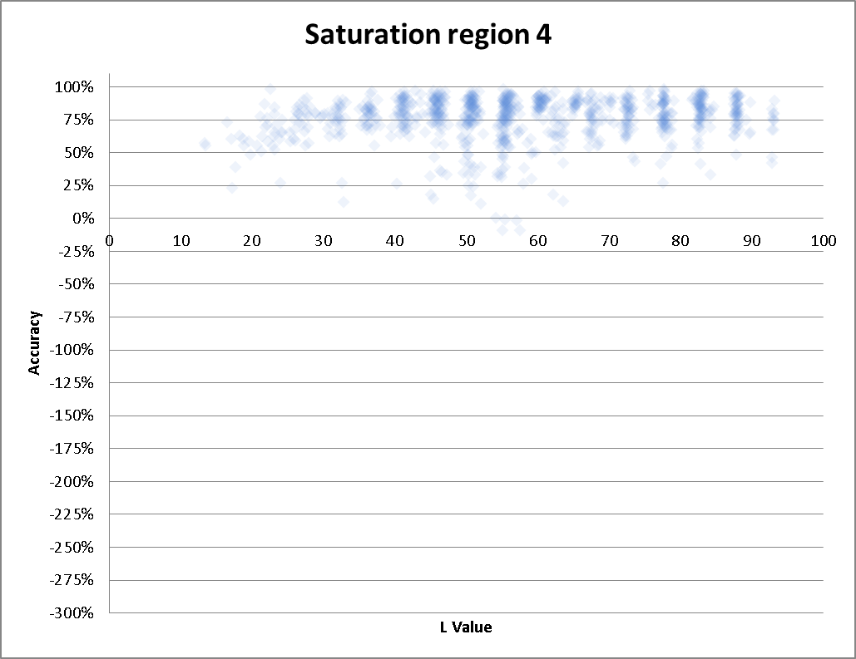
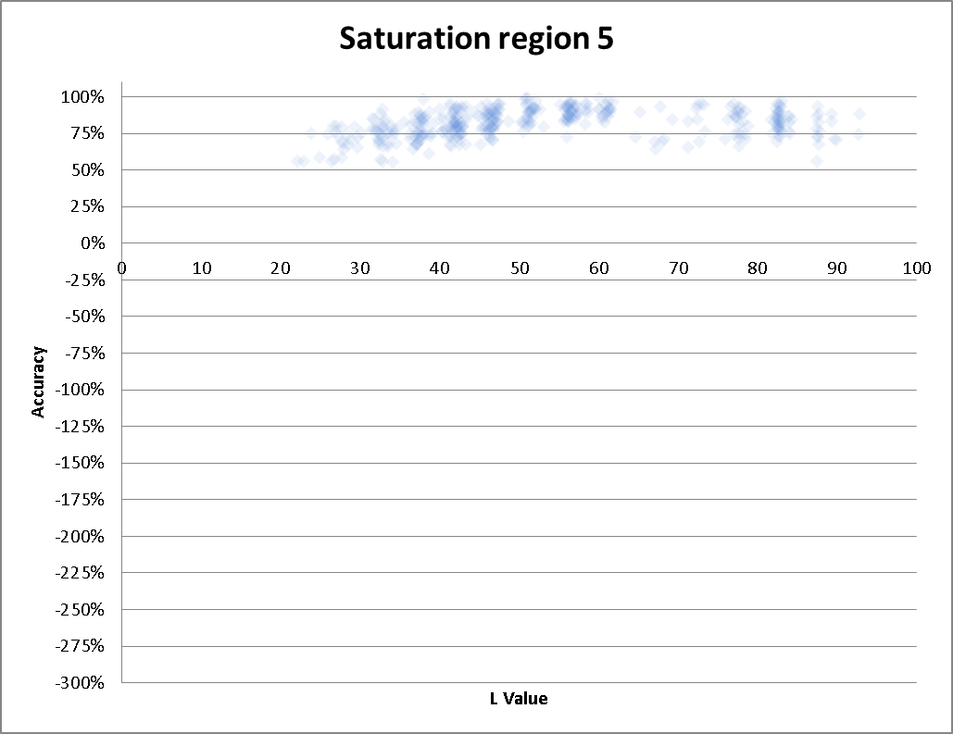

color region
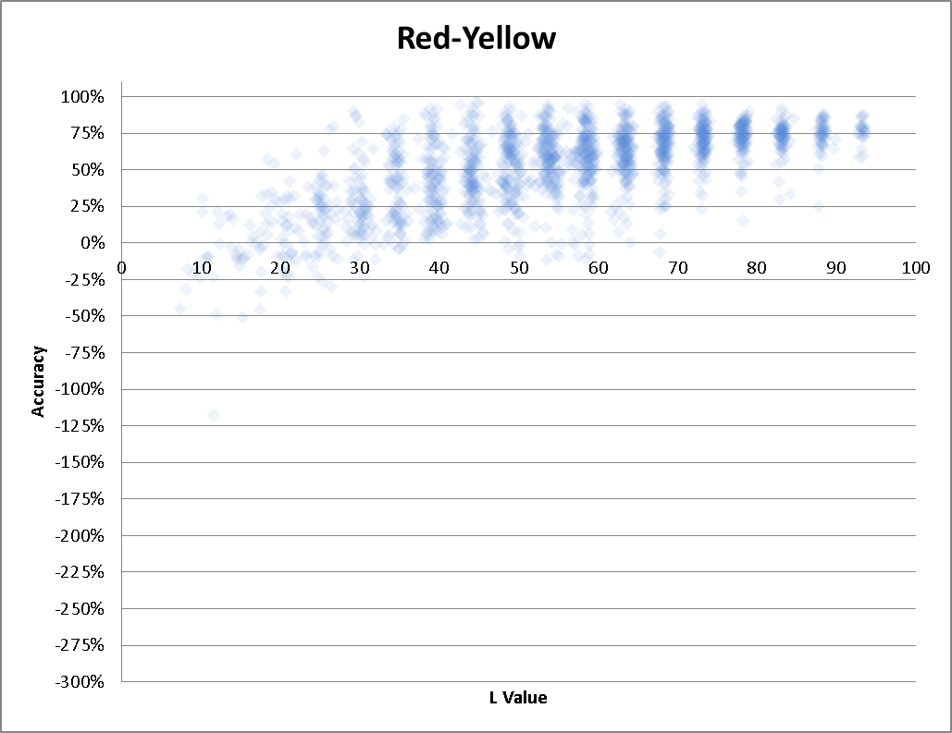
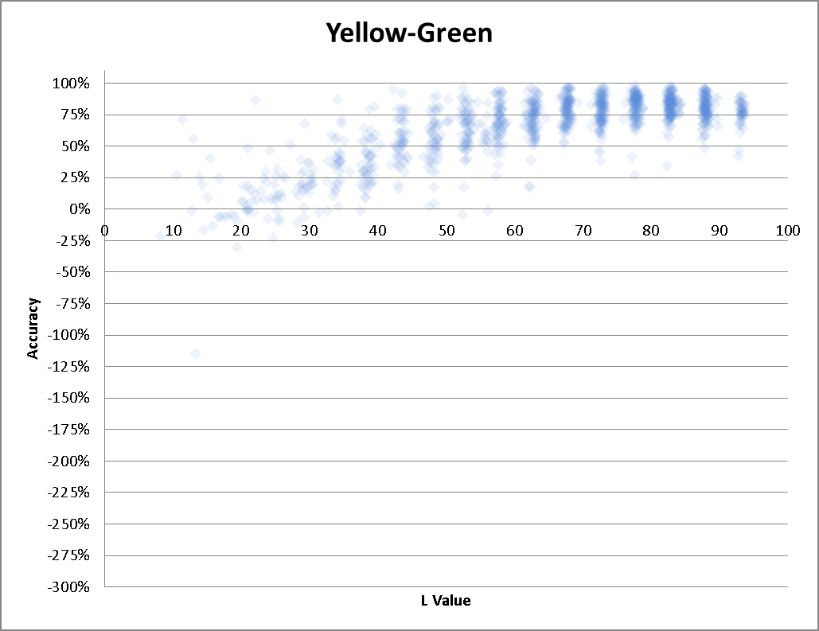

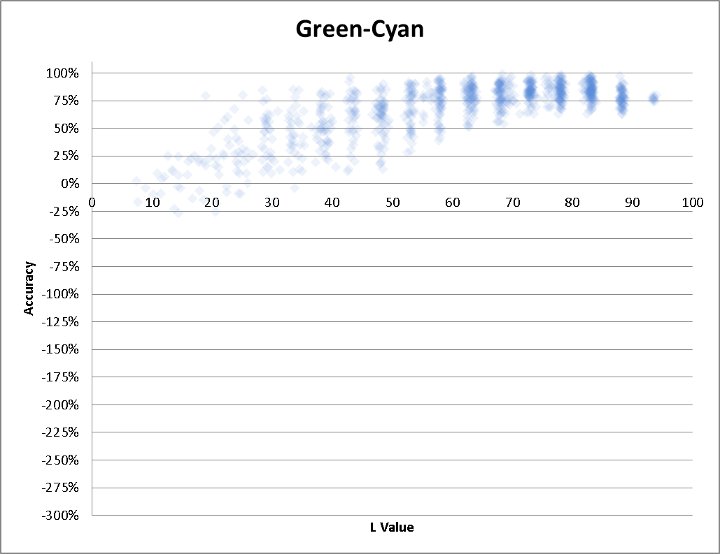
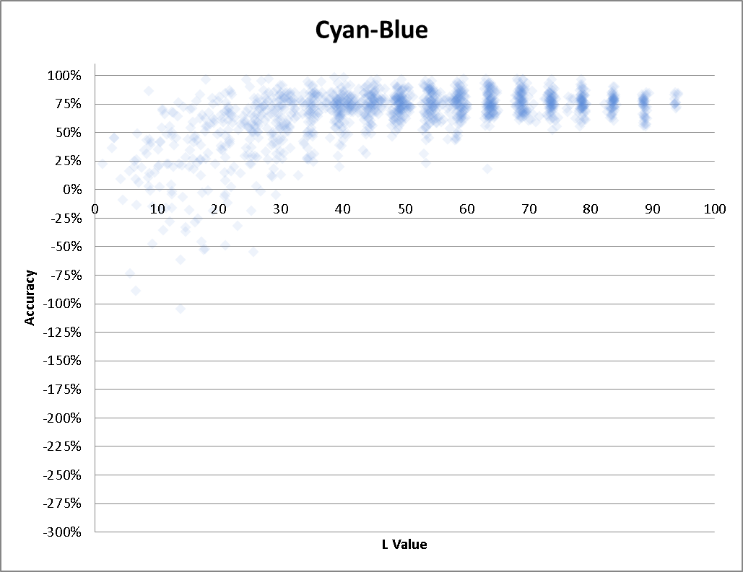

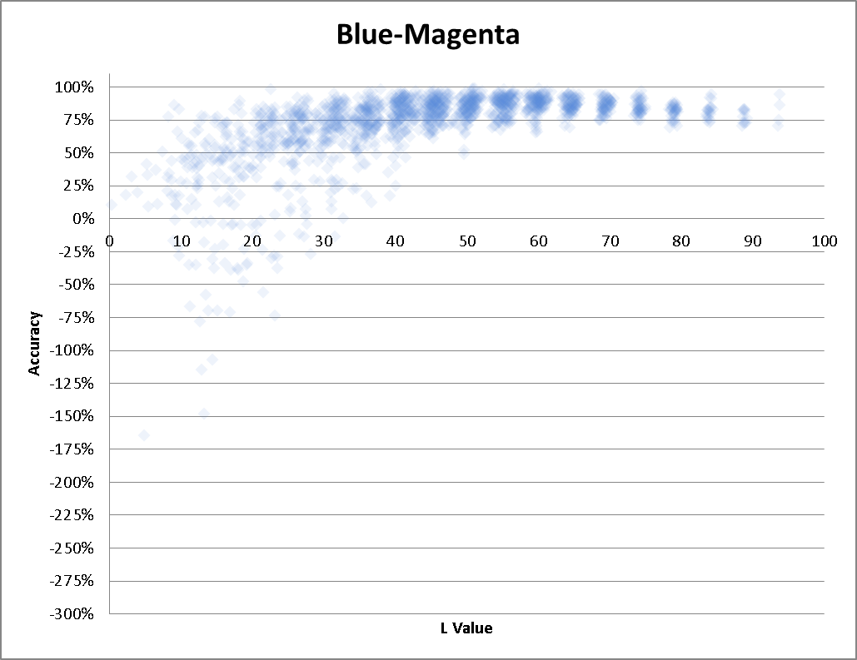
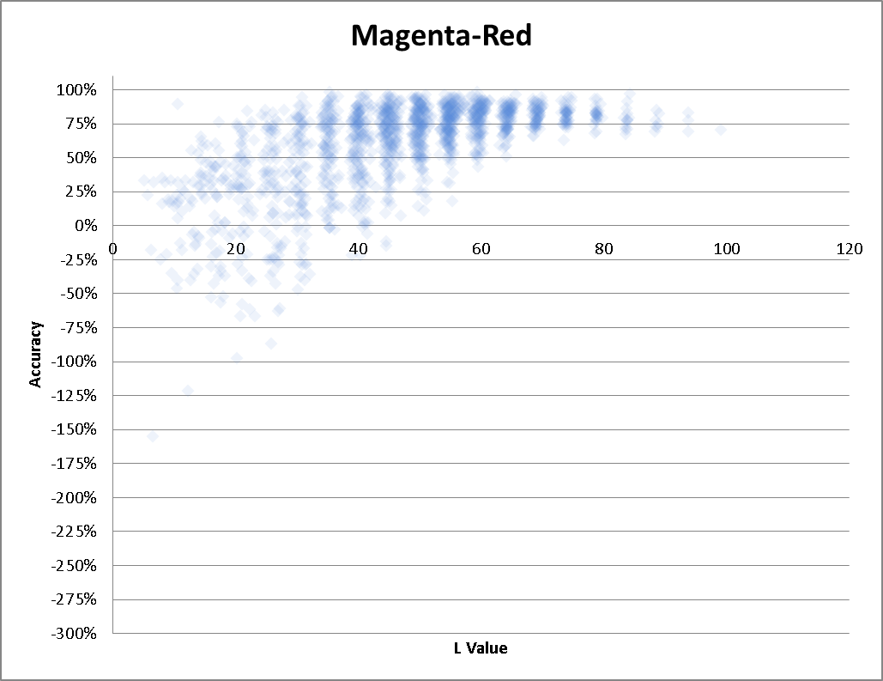

Bg intesity
